Sheet1
State | event
account logged in | log out
account created | log in
no account | sign up
inactive account | failed log in
 | delete account
 | reactivate

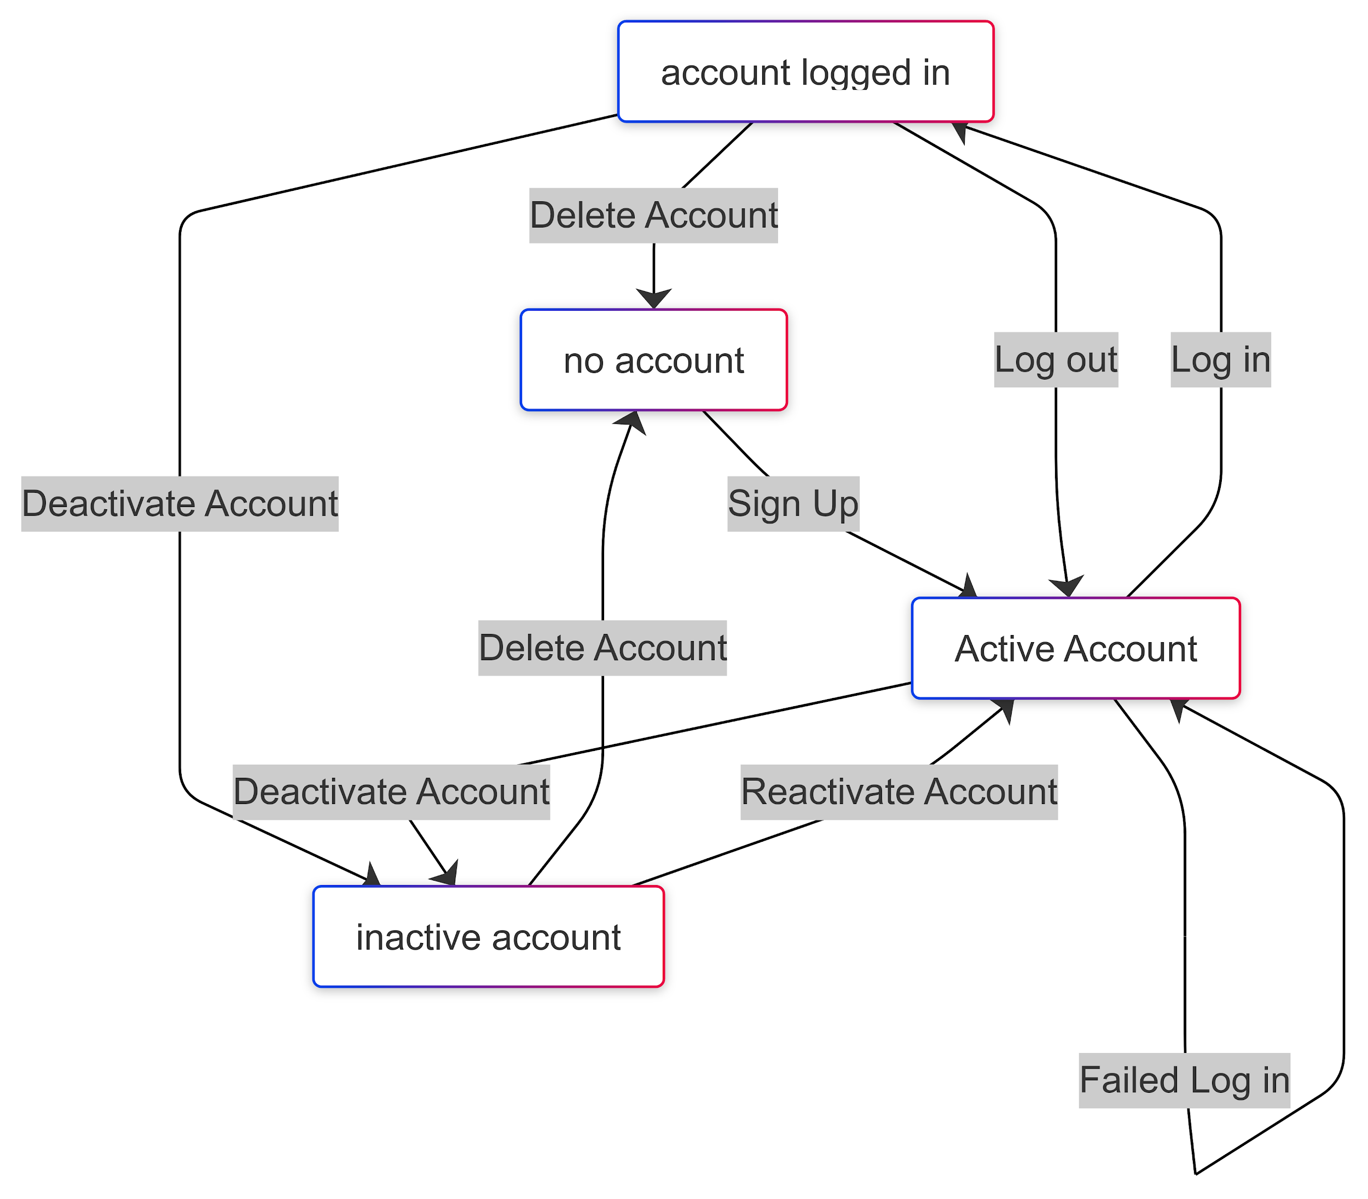
State Transition Table
Initial state | Event | Next state
No Account | Sign up | active account
active account | failed log in | active account
active account | log in | account logged in
account logged in | log out | active account
account logged in | delete account | No account
account logged in | deactivate account | inactive account
inactive account | delete account | No account
inactive account | reacctivate account | account created
account created | deactivate account | inactive account

Test Case Covering All States and Events

Step | From | Event | To
1 | No Account | Sign up | active account
2 | active account | failed log in | active account
3 | active account | log in | account logged in
4 | account logged in | deactivate account | inactive account
5 | inactive account | delete account | no account
6 | no account | Sign up | active account
7 | active account | log in | account logged in
8 | account logged in | delete account | no account
9 | no account | Sign up | active account
10 | active account | log in | account logged in
11 | account logged in | log out | active account
12 | active account | deactivate account | inactive account
13 | inactive account | reactivate | active account

